Cover sheet
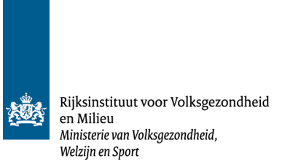

Appendices B, C and D of RIVM report 2023-0011

Title: | Risk assessment of exposure to PFAS through food and drinking water in the Netherlands
Authors: | M.A.A. Schepens │ J.D. te Biesebeek │ J. Hartmann | N.G.F.M. van der Aa| R. Zijlstra │ P.E. Boon
Available online: | https://doi.org/10.21945/RIVM-2023-0011

© RIVM 2023

